Sheet1
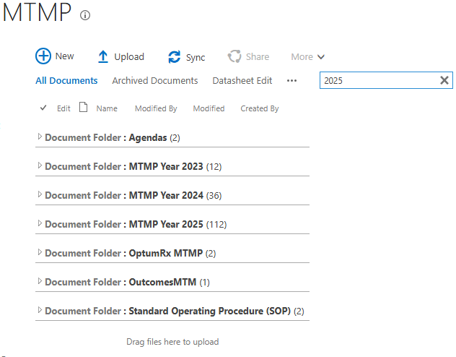
Incident | Contact | Description | Remarks
INC0145086 | Angel Chan | https://oneco.careoregon.org/sites/medmanagement/pharmacy/RCT%20Pharmacy%20Docs/Forms/New%20Documents.aspx#InplviewHash864ce864-388e-4859-b8e4-8bcace6836d6=WebPartID%3D%7B864CE864--388E--4859--B8E4--8BCACE6836D6%7D | It seems to be working fine. I tested both links, and they are working as expected. It may have been due to those specific keywords not being crawled by the search engine at that time.

 |  | searching for the word Coro, doesn’t return any results, we need to have the search to include what we are searching for

 |  | https://oneco.careoregon.org/sites/medmanagement/pharmacy/MTMP/Forms/AllItems.aspx#InplviewHashc26e4dc7-1f08-48dd-93c8-7ff131d39639=WebPartID%3D%7BC26E4DC7--1F08--48DD--93C8--7FF131D39639%7D

 |  | searching the word 2025, doesn’t return any results, we need to have the search to include what we are searching for

 |  | it use to be accurate and pull up any files that include the words/id number we are searching for
INC0145660 | Heidi Hallberg Zeimentz | I noticed that in some of the department news posts, the view of the article looks fine/good. In others, the view is weird and wonky. This is the case with an article that I just posted myself. I will include screenshots of what I'm seeing. Many of them look like the view an administrator might see, but I'm seeing them as an end user. | Please share the link of that post which is not displaying correctly
INC0144443 | Craig Harlow | Browsing from the Intranet home page https://intranet.careoregon.org/ to the Information Systems link in the top blue banner, landing at Information Systems & Business Intelligence Home, then clicking on "IS Support Center", links to https://oneco.careoregon.org/sites/supportcenter/SitePages/Home.aspx, which is displaying an empty white screen.
SCTASK0099695 | Brittnay Trujillo | We use the version history of dental auths to capture our internal notes during processing and occasionally these need to be used in appeals or audits. It was recently found there may be a limitation of the platform. Hoping to find where we may be able to access all the version history. Currently when there are too many updates to an auth, at the bottom of the version history it just says "(more...)" but we have no way to access/expand. Bob Anderson is currently working on a Member Document Finder that will include version History so many this can be addressed with that! https://oneco.careoregon.org/sites/member-dental/Dental%20Referrals/Forms/AllItems.aspx?InitialTabId=Ribbon.Read&VisibilityContext=WSSTabPersistence#InplviewHash05af918b-e46d-472e-a1c9-0538f89f9c5f=WebPartID%3D%7B05AF918B--E46D--472E--A1C9--0538F89F9C5F%7D | Need the access to this site.
INC0144205 | Gena Peters | I should be able to search for a member and choose 'Everything' under the dropdown and see all their related documents. This is how it worked before the upgrade. Is there a permissions issue? My team cannot search like before either. | Please share the link where you are facing this issue.
 |  | This inhibits our work.
NA | Shellie Holk | Edited the Quality of Form during the call.

